SOFR-OIS-SWAPS (BBG)
USD SOFR OIS SWAP Curve
Swap Curve Object Params
Pricing Date | ReferenceDate | 2025-04-21
Interest Type | InterpolatedVariable | CONTINUOUSRATES
Interp Method | InterpolationMethod | LINEARINTERPOLATION
Day Count | DayCounter | ActActISDA
Global Solver? | UseGlobalSolver | FALSE

 | Curve Data Set
OIS Spot Data Set | OvernightRateCurveData | McpOvernightRateCurveData@0
OIS swap Data Set | VanillaSwapCurveData | McpVanillaSwapCurveData@0

 | Swap Curve
Curver Data Set | CalibrationSet | McpCalibrationSet@0
Swap Curve Object | SwapCurve | McpSwapCurve@0
 |  |  |  |  | US Calendar | McpCalendar@1

SOFR Spot Rates |  |  |  |  | OvernightRateCurveData
MaturityTenors | Yields | BumpAmounts | Buses |  | DayCounter | Act360
1D | 4.310% | 0.0000 | Y |  | StartDate | 2025-04-23
 |  | Note: adjust pips? | enabled? |  | Calendar | McpCalendar@1

SOFR Swap Rates |  |  |  |  | VanillaSwapCurveData-method1 |  |  | VanillaSwapCurveData - Method2
MaturityTenors | Coupons | BumpAmounts | Buses |  | ReferenceDate | 2025-04-21 |  | ReferenceDate | 2025-04-21
1W | 4.3396% | 0.0000 | Y |  | Calendar | McpCalendar@1 |  | Calendar | McpCalendar@1
2W | 4.3418% | 0.0000 | Y |  | RateConvention | SOFR |  | SwapStartLag | 2
3W | 4.3314% | 0.0000 | Y |  |  |  |  | PaymentDateAdjuster | ModifiedFollowing
1M | 4.3237% | 0.0000 | Y |  | McpVanillaSwapCurveData@0 |  |  | AccrDateAdjuster | Following
2M | 4.3149% | 0.0000 | Y |  |  |  |  | FixedFrequency | Annual
3M | 4.2760% | 0.0000 | Y |  |  |  |  | FloatFrequency | Annual
4M | 4.2168% | 0.0000 | Y |  | Note: |  |  | FixedDayCounter | Act360
5M | 4.1735% | 0.0000 | Y |  | This method hidden the detail params of SOFR |  |  | FloatDayCounter | Act360
6M | 4.1187% | 0.0000 | Y |  |  |  |  | UseIndexEstimation | FALSE
7M | 4.0611% | 0.0000 | Y |  |  |  |  | FixingIndex | 1D
8M | 4.0116% | 0.0000 | Y |  |  |  |  | FixingRateMethod | COMPOUNDING
9M | 3.9614% | 0.0000 | Y |  |  |  |  | FixInAdvance | FALSE
10M | 3.9112% | 0.0000 | Y |  |  |  |  | FixDaysBackward | 0
11M | 3.8725% | 0.0000 | Y |  |  |  |  | Margin | 0
12M | 3.8307% | 0.0000 | Y
18M | 3.6048% | 0.0000 | Y |  |  |  |  | McpVanillaSwapCurveData@1
2Y | 3.5045% | 0.0000 | Y
3Y | 3.4565% | 0.0000 | Y
4Y | 3.4905% | 0.0000 | Y
5Y | 3.5484% | 0.0000 | Y
6Y | 3.6128% | 0.0000 | Y
7Y | 3.6745% | 0.0000 | Y
8Y | 3.7291% | 0.0000 | Y
9Y | 3.7800% | 0.0000 | Y
10Y | 3.8280% | 0.0000 | Y
12Y | 3.9111% | 0.0000 | Y
15Y | 3.9991% | 0.0000 | Y
20Y | 4.0565% | 0.0000 | Y
25Y | 4.0298% | 0.0000 | Y
30Y | 3.9725% | 0.0000 | Y
40Y | 3.8145% | 0.0000 | Y
50Y | 3.6535% | 0.0000 | Y
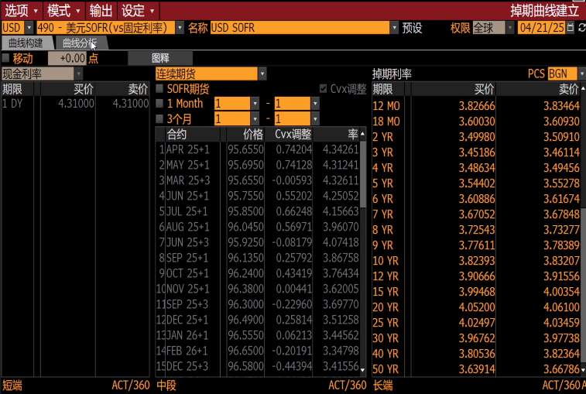
 |  | Note: adjust pips? | enabled?

Result: Spot rate and discount factor |  |  |  |  | Comprare with BBG CURV SORR
2025-04-23 | maturityDates | DiscountFactor | ZeroRate |  | BBG/DF | BBG/ZR | DF/dirrerent | ZR/Different
1W | 2025-04-30 | 0.9989176 | 4.39206% |  | 0.998916 | 4.39799 | (0.0000016) | 0.0059288521712
2W | 2025-05-07 | 0.9980752 | 4.39520% |  | 0.998074 | 4.39831 | (0.0000012) | 0.0031142114354
3W | 2025-05-14 | 0.9972406 | 4.38506% |  | 0.997239 | 4.38708 | (0.0000016) | 0.0020181542459
1M | 2025-05-23 | 0.9961709 | 4.37592% |  | 0.99617 | 4.37725 | (0.0000009) | 0.0013263946084
2M | 2025-06-23 | 0.9925031 | 4.35980% |  | 0.992502 | 4.3602 | (0.0000011) | 0.00039845942458
3M | 2025-07-23 | 0.9890688 | 4.31381% |  | 0.989069 | 4.31392 | 0.0000002 | 0.00011109651286
4M | 2025-08-25 | 0.9854458 | 4.24708% |  | 0.985446 | 4.24705 | 0.0000002 | -2.7744676562E-05
5M | 2025-09-23 | 0.9823348 | 4.19706% |  | 0.982335 | 4.19695 | 0.0000002 | -0.00010915237647
6M | 2025-10-23 | 0.9792557 | 4.13583% |  | 0.979256 | 4.13568 | 0.0000003 | -0.00015463817585
7M | 2025-11-24 | 0.9760839 | 4.07164% |  | 0.976085 | 4.07145 | 0.0000011 | -0.00018738419282
8M | 2025-12-23 | 0.9732944 | 4.01629% |  | 0.973296 | 4.01609 | 0.0000016 | -0.00019890535047
9M | 2026-01-23 | 0.9703926 | 3.96025% |  | 0.970394 | 3.96003 | 0.0000014 | -0.00022403941378
10M | 2026-02-23 | 0.9675894 | 3.90449% |  | 0.967591 | 3.90426 | 0.0000016 | -0.00023022748608
11M | 2026-03-23 | 0.9650827 | 3.86090% |  | 0.965085 | 3.86066 | 0.0000023 | -0.0002417706586
12M | 2026-04-23 | 0.9623792 | 3.81377% |  | 0.962382 | 3.81353 | 0.0000028 | -0.00024198758042
18M | 2026-10-23 | 0.9472243 | 3.59819% |  | 0.947196 | 3.60019 | (0.0000283) | 0.0019990537191
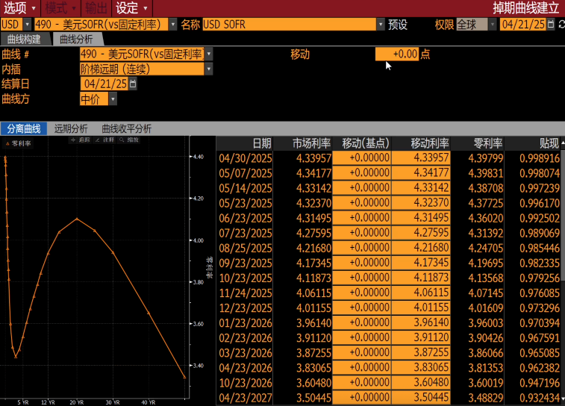
2Y | 2027-04-23 | 0.9324291 | 3.48855% |  | 0.932434 | 3.48829 | 0.0000049 | -0.00025792351191
3Y | 2028-04-24 | 0.9015785 | 3.44201% |  | 0.901586 | 3.44077 | 0.0000075 | -0.0012418019968
4Y | 2029-04-23 | 0.8699099 | 3.47937% |  | 0.86992 | 3.47671 | 0.0000101 | -0.0026637601189
5Y | 2030-04-23 | 0.8376162 | 3.54003% |  | 0.837629 | 3.53778 | 0.0000128 | -0.0022471703528
6Y | 2031-04-23 | 0.8051768 | 3.60826% |  | 0.805193 | 3.60628 | 0.0000162 | -0.0019820819753
7Y | 2032-04-23 | 0.7729742 | 3.67484% |  | 0.772992 | 3.67262 | 0.0000178 | -0.0022169525089
8Y | 2033-04-25 | 0.7414156 | 3.73481% |  | 0.741436 | 3.7319 | 0.0000204 | -0.0029083997045
9Y | 2034-04-24 | 0.7107225 | 3.79069% |  | 0.710746 | 3.78801 | 0.0000235 | -0.0026751905558
10Y | 2035-04-23 | 0.6807024 | 3.84419% |  | 0.680728 | 3.84171 | 0.0000256 | -0.0024849750927
12Y | 2037-04-23 | 0.6231513 | 3.93958% |  | 0.623192 | 3.93635 | 0.0000407 | -0.0032339580038
15Y | 2040-04-23 | 0.5451907 | 4.04214% |  | 0.545264 | 4.03881 | 0.0000733 | -0.0033341630822
20Y | 2045-04-24 | 0.4397636 | 4.10590% |  | 0.439879 | 4.10178 | 0.0001154 | -0.0041225287882
25Y | 2050-04-25 | 0.3631821 | 4.04963% |  | 0.36325 | 4.04622 | 0.0000679 | -0.003408110463
30Y | 2055-04-23 | 0.3062176 | 3.94414% |  | 0.306228 | 3.94151 | 0.0000104 | -0.0026344355182
40Y | 2065-04-23 | 0.2321827 | 3.65008% |  | 0.23179 | 3.6518 | (0.0003927) | 0.0017232333268
50Y | 2075-04-23 | 0.1881707 | 3.34044% |  | 0.18759 | 3.34442 | (0.0005807) | 0.0039750005785

 |  |  |  |  |  | Average Diff: | (0.0000172) | (0.0005135)

Forward Rate Analysis

 | 1M |  |  | 3M |  |  | 6M
 | Start Date | End Date | Fwd Rate | Start Date | End Date | Fwd Rate | Start Date | End Date | Fwd Rate
1W | 2025-04-30 | 2025-05-30 | 4.3742% | 2025-04-30 | 2025-07-31 | 4.3117% | 2025-04-30 | 2025-10-31 | 4.1493%
1M | 2025-05-23 | 2025-06-23 | 4.3512% | 2025-05-23 | 2025-08-25 | 4.2260% | 2025-05-23 | 2025-11-24 | 4.0602%
2M | 2025-06-23 | 2025-07-23 | 4.2245% | 2025-06-23 | 2025-09-23 | 4.1067% | 2025-06-23 | 2025-12-23 | 3.9364%
3M | 2025-07-23 | 2025-08-25 | 4.0665% | 2025-07-23 | 2025-10-23 | 3.9757% | 2025-07-23 | 2026-01-23 | 3.8178%
4M | 2025-08-25 | 2025-09-25 | 3.9798% | 2025-08-25 | 2025-11-25 | 3.8454% | 2025-08-25 | 2026-02-25 | 3.6987%
5M | 2025-09-23 | 2025-10-23 | 3.8255% | 2025-09-23 | 2025-12-23 | 3.7256% | 2025-09-23 | 2026-03-23 | 3.6049%
6M | 2025-10-23 | 2025-11-24 | 3.7065% | 2025-10-23 | 2026-01-23 | 3.6236% | 2025-10-23 | 2026-04-23 | 3.5169%
1Y | 2026-04-23 | 2026-05-26 | 3.3476% | 2026-04-23 | 2026-07-23 | 3.2876% | 2026-04-23 | 2026-10-23 | 3.1911%

SOFR OIS Swaps Zero Curve

